Test Case 1
Test Case ID |  | TC_Practical-002 | Test Case Desc | Create test cases for a google login id
Created By |  | Aishwarya Gunjarkar | Reviewed By |  |  | Version |  | 1.0
Tester's Name |  |  | Date Tested |  |  | Test Case Status (Passed/Failed/NE)

# | Prerequisites: |  |  | # | Test Data
1 |  |  |  | 1
2 |  |  |  | 2
3 |  |  |  | 3
4 |  |  |  | 4

Test Scenario | Test the complete

Step # | Step details |  | Expected Results | Actual Results |  |  | Pass/Fail/Not
1 | Type "Google Chrome" in taskbar search box. |  | Verify that browser will be open.
2 | Click on the "Sign In"which is located on the top-right side of the current page. |  | 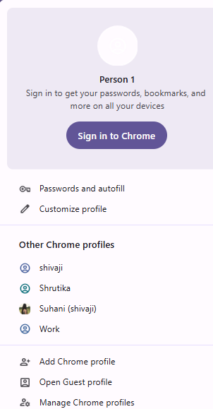 Verify that sign in page will be open.
3 | Type "Ab22054@gmail.com" on "Email or Phone" section.Then click "Next". |  | Verify that we will go to the next section i.e. Password.
4 | Enter valid Password for that email id . Then click on the check box for "Show password". |  | Verify that the password is right.
5 | Click Hide password |  | Verify the password should become hidden.
6 | Click "Forget password?" |  | Verify that password / account recovery page should open.
7 | Click "Forget email?" |  | Verify that account recovery /help option should be open.
8
9
10
11
12
13
14
15
16
17
18
19
20

